Test 1
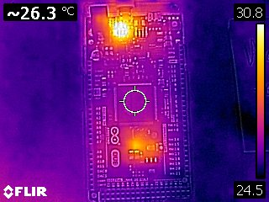
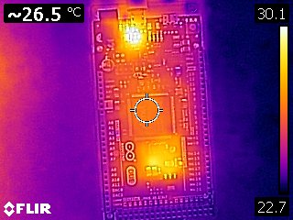
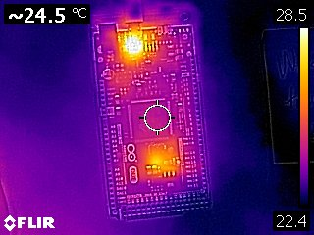
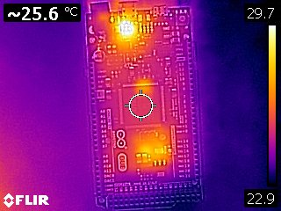
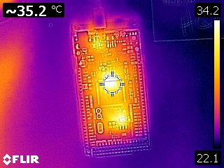
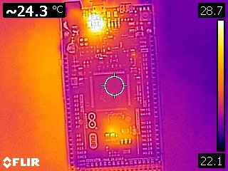
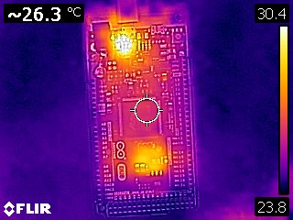
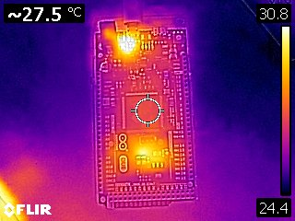
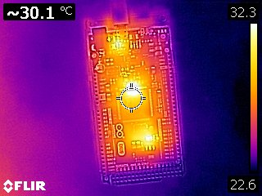
 | Time asleep | Time active | Temp(C)
0% | 0s | 30s | 26.3
10% | 3s | 27s | 27.5
20% | 6s | 24s | 27
30% | 9s | 21s | 26.3
40% | 12s | 18s | 24.5
50% | 15s | 15s | 35.2
60% | 18s | 12s | 30.1
70% | 21s | 9s | 27.9
80% | 24s | 6s | 26.5
90% | 27s | 3s | 25.6
100% | 30s | 0s | 24.3
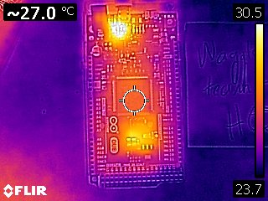
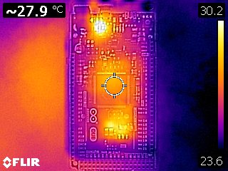
The code used for this test can be found here: https://pastebin.com/iPByHkBJ
Temp(C) vs. % of time asleep out of 30 seconds

Test 2
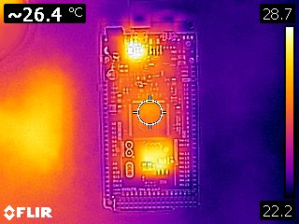
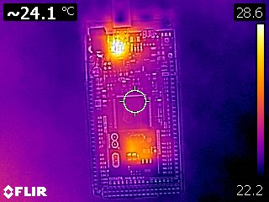
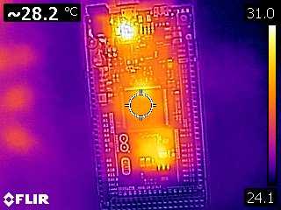
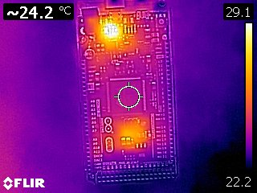
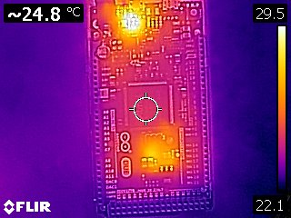
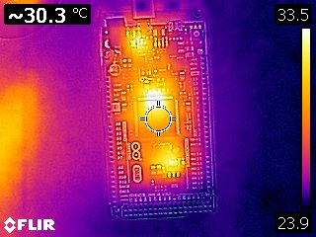
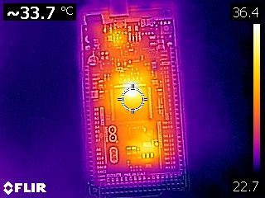
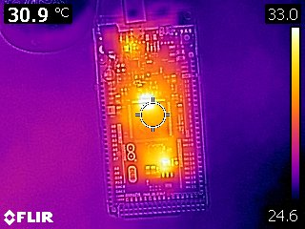
Trial | Time active | Time asleep | Temp(C)
0% | 0s | 30s | 24.3
10% | 3s | 27s | 26.1
20% | 6s | 24s | 26.4
30% | 9s | 21s | 28.2
40% | 12s | 18s | 30.3
50% | 15s | 15s | 30.9
60% | 18s | 12s | 25
70% | 21s | 9s | 24.3
80% | 24s | 6s | 24.1
90% | 27s | 3s | 24.8
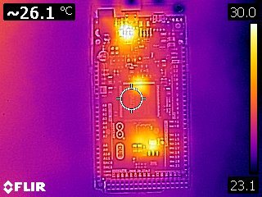
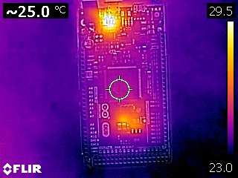
100% | 30s | 0s | 33.7

The code for this test can be found here: https://pastebin.com/krCVDrcX

Temp(C) vs. % of time asleep out of 30 seconds

